Сводная
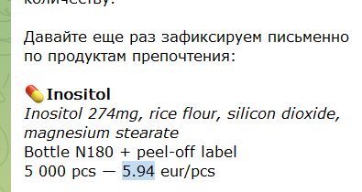
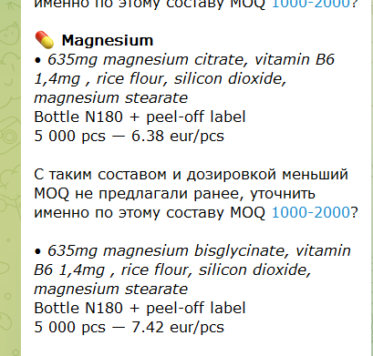
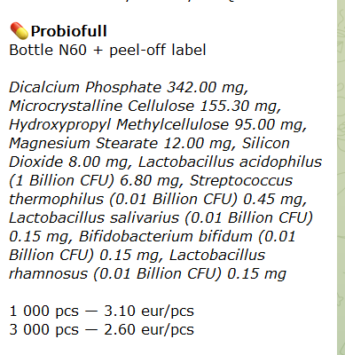
Производитель | Продукт | Состав | Тара | Обьем | Lead times | 1000 pcs | 3000 pcs | 5000 pcs | 10000 pcs
МЕРИВУД
 | Inositol (capsules) | Inositol 274mg, rice flour, silicon dioxide, magnesium stearate | Bottle 250ml + peel off label - N180 | 250ml | 6-8 weeks |  |  | 5.94
 | Magnesium B6 (capsules) CITRAT | 100mg magnesium citrate, rice flour, silicon dioxide, magnesium stearate | Bottle 250ml + peel off label - N180 | 250ml | 4-6 weeks |  |  | 6.38
 | Magnesium bisglycinate, | 635mg magnesium bisglycinate, vitamin B6 1,4mg , rice flour, silicon dioxide, magnesium stearate | Bottle 250ml + peel off label - N180 | 250ml | 4-6 weeks |  |  | 7.42
 | Probioful (capsules) | Lactobacillus delbrueckii BIO6744 5×10⁸ CFU, Bifidobacterium infantis BIO5478 5×10⁸ CFU, Bifidobacterium lactis BS01 6×10⁹ CFU, Bifidobacterium breve BR03 3,5×10⁹ CFU, Lactobacillus paracasei LPC00 4×10⁹ CFU, Lactobacillus rhamnosus LR06 4×10⁸ CFU, Lactobacillus plantarum LP09 1,9×10⁹ CFU, Lactobacillus casei LC03 2×10⁸ CFU, Lactobacillus acidophilus LA02 7×10⁸ CFU, Bifidobacterium bifidum BB01 1×10⁸ CFU, Streptococcus thermophilus FP4 6×10⁸ CFU, Bifidobacterium longum BL03 1,6×10⁹ CFU, Inulin 190 mg | Bottle 150ml + peel off label - N60 | 150ml | 4-6 weeks |  |  |  | 8.37
 |  | Dicalcium Phosphate 342.00 mg, Microcrystalline Cellulose 155.30 mg, Hydroxypropyl Methylcellulose 95.00 mg, Magnesium Stearate 12.00 mg, Silicon Dioxide 8.00 mg, Lactobacillus acidophilus (1 Billion CFU) 6.80 mg, Streptococcus thermophilus (0.01 Billion CFU) 0.45 mg, Lactobacillus salivarius (0.01 Billion CFU) 0.15 mg, Bifidobacterium bifidum (0.01 Billion CFU) 0.15 mg, Lactobacillus rhamnosus (0.01 Billion CFU) 0.15 mg | Bottle 150ml + peel off label - N60 | 150ml | 4-6 weeks | 3.1 | 2.6
 | Retinol Cream | Aqua, Glycerin, Caprylic/Capric Triglyceride, Niacinamide, Hydroxyethyl Acrylate/Sodium Acryloyldimethyl Taurate Copolymer, Prunus Amygdalus Dulcis Oil, Polysorbate 80, Panthenol, Urea, Tocopherol, Squalane, Phenoxyethanol, Ethylhexylglycerin, Colloidal Gold, Caprylyl Glycol, Retinol, Parfum, Undecane, Tridecane, Geraniol, Linalool | cream spray 30 ml 0,5% classic label + box + lifter | 30ml | 4-5 weeks | 4
MillMax
 | Inositol (capsules) | Inositol 180 caps 274 mg/ per 1 caps | Bottle 200мл + label | 200ml |  | 3.65
 | Magnesium B6 (capsules) | Magnesium Citrate +B6 180 caps 635 mg Magnesium Citrate / per 1 caps | Bottle 200мл + label | 200ml |  | 4.8
 |  | Magnesium bisglycinate + B6, Acai Berry Extract, Goji Extract 180 caps | Bottle 200мл + label | 200ml |  |  |  |  | 4.1
 | Retinol Cream | Retinol (0,5%) 30ml Liposomal Retinol (active ingredient in formulation) 0.05% pure Retinol (from active ingredient) | Retinol 0.5% 30ml | 30ml(наклейка без футляра) |  |  |  | 3.15
ERAscientifico
 | Inositol (capsules) | Myo-inositol 1000mg Folic acid (from methylfolate) 400mcg | N180, white PET, On-side label |  | 8-9 weeks first after 6-8 weeks | 5.59
 | Magnesium B6 (capsules) | Magnesium 200mg (Bisglycinate and oxide blend) Vitamin B6 1,5mg - 1 cap | On-side label - N180 |  | 8-9 weeks first after 6-8 weeks | 4.98
 |  | Magnesium 110mg (from bisglycinate) Vitamin B6 1,5mg - 1 cap | On-side label - N180 |  |  | 5.84
 |  | Magnesium (from magnesium citrate) 300mg Vitamin B6 4,5 mg | On-side label - N180, white PET |  |  | 6.99
 |  | Magnesium 330mg (from bisglycinate) Vitamin B6 4,5 mg | On-side label - N180, white PET |  |  | 5.84
 | Probioful (capsules) | Bifidobacterium Bifidum 2 Billion CFU Lactobacillus Acidophilus 3 Billion CFU Lactobacillus Rhamnosus 2 Billion CFU Lactobacillus Salivarius 1 Billion CFU Streptococcus Thermophilus 2 Billion CFU inulin prebiotic (from chicory root) 100mg | N60, white PET, On-side label |  | 8-9 weeks first after 6-8 weeks | 3.87
 | Pet Probiotic complex | Streptococcus thermophilus 0,33 billion CFU Bifidobacterium bifidum 0,33 billion CFU Lactobacillus Acidophilus 0,33 Billion CFU | N100, white PET, On-side label |  | 8-9 weeks first after 6-8 weeks | 3.29
 |  |  | N120, white PET, On-side label |  |  | 3.81

Производство сравнение
 | Состав |  | Обьем банки | Lead times | 1000 pcs | 3000 pcs | 5000 pcs | 10000 pcs | 20000 pcs | 30000 pcs

МЕРИВУД |  |  |  |  | EUR w/o VAT 24%
Inositol (capsules) | Inositol 274mg, rice flour, silicon dioxide, magnesium stearate
 |  | Bottle 100ml + peel off label - N30 | 75/100ml | 6-8 weeks |  | 2.48 | 2.2 | 2.06 | 1.99 | 1.97
 |  | Bottle 100ml + peel off label - N60 | 100ml | 6-8 weeks |  | 2.62 | 2.61 | 2.59 | 2.5 | 2.45
 |  | Bottle 100ml + peel off label - N90 | 150ml | 6-8 weeks |  | 3.23 | 3.22 | 3.2 | 3.09 | 3.03
 |  | Bottle 100ml + peel off label - N120 | 200/250ml | 6-8 weeks |  | 3.74 | 3.73 | 3.71 | 3.57 | 3.5
 |  | Bottle 100ml + peel off label - N180 | 250ml | 6-8 weeks |  | 4.86 | 5.94 | 5.94

Magnesium B6 (capsules) | 100mg magnesium citrate, rice flour, silicon dioxide, magnesium stearate | Bottle 200ml + peel off label - N30 | 75/100ml | 4-6 weeks |  | 2.48 | 2.2 | 2.09 | 2.01 | 1.99
 |  | Bottle 200ml + peel off label - N60 | 100ml | 4-6 weeks |  | 2.57 | 2.56 | 2.54 | 2.44 | 2.41
 |  | Bottle 200ml + peel off label - N90 | 150ml | 4-6 weeks |  | 3.08 | 3.07 | 3.05 | 2.93 | 2.89
 |  | Bottle 200ml + peel off label - N120 | 200/250ml | 4-6 weeks |  | 3.6 | 3.59 | 3.57 | 3.43 | 3.37
 |  | Bottle 100ml + peel off label - N180 | 250ml | 4-6 weeks |  | 4.9 | 4.89 | 4.87 | 4.67 | 4.59
 |  |  |  |  |  |  | 6.38
Magnesium bisglycinate, | 635mg magnesium bisglycinate, vitamin B6 1,4mg , rice flour, silicon dioxide, magnesium stearate | Bottle 200ml + peel off label - N180 | 250ml |  |  |  | 7.42 | 7.42

 |  |  |  |  |  |  |  |  | 25000 pcs
Probioful (capsules) | Lactobacillus delbrueckii BIO6744 5×10⁸ CFU, Bifidobacterium infantis BIO5478 5×10⁸ CFU, Bifidobacterium lactis BS01 6×10⁹ CFU, Bifidobacterium breve BR03 3,5×10⁹ CFU, Lactobacillus paracasei LPC00 4×10⁹ CFU, Lactobacillus rhamnosus LR06 4×10⁸ CFU, Lactobacillus plantarum LP09 1,9×10⁹ CFU, Lactobacillus casei LC03 2×10⁸ CFU, Lactobacillus acidophilus LA02 7×10⁸ CFU, Bifidobacterium bifidum BB01 1×10⁸ CFU, Streptococcus thermophilus FP4 6×10⁸ CFU, Bifidobacterium longum BL03 1,6×10⁹ CFU, Inulin 190 mg | Bottle + peel off label - N30 | 100ml | 4-6 weeks | 2.1 | 1.8 | 1.7 |  | 1.64
 |  | Bottle + peel off label - N60 | 150ml | 4-6 weeks | 3.1 | 2.6 | 2.4 | 8.37
 |  | Bottle + peel off label - N90 | 150ml | 4-6 weeks | 4.07 | 3.38 | 3.1 |  | 3.01
 |  | Bottle + peel off label - N120 | 200ml | 4-6 weeks | 5.21 | 4.3 | 4 |  | 3.8
 |  | Bottle + peel off label - N180 | 200ml | 4-6 weeks | 6.8 | 5.65 | 5.59 |  | 5.3

Retinol Cream | Aqua, Glycerin, Caprylic/Capric Triglyceride, Niacinamide, Hydroxyethyl Acrylate/Sodium Acryloyldimethyl Taurate Copolymer, Prunus Amygdalus Dulcis Oil, Polysorbate 80, Panthenol, Urea, Tocopherol, Squalane, Phenoxyethanol, Ethylhexylglycerin, Colloidal Gold, Caprylyl Glycol, Retinol, Parfum, Undecane, Tridecane, Geraniol, Linalool | cream spray 50 ml (Label + box, no infolist.) | 50ml | 30 day |  |  | 2 | 1.7 | 1.55
 | Aqua, Glycerin, Caprylic/Capric Triglyceride, Niacinamide, Hydroxyethyl Acrylate/Sodium Acryloyldimethyl Taurate Copolymer, Prunus Amygdalus Dulcis Oil, Polisorbate 80, Panthenol, Urea, Tocopherol, Squalane, Phenoxyethanol, Ethylhexylglycerin, Collodial Gold, Caprylyl Glycol, Retinol, Parfum, Undecane, Tridecane,Geraniol, Linalool | cream spray 50 ml (White plastic bottle with spray (50 ml), label and box, no infolist.) | 50ml | 30 day | 2.7 | 2.3
 | Aqua, Glycerin, Caprylic/Capric Triglyceride, Niacinamide, Hydroxyethyl Acrylate/Sodium Acryloyldimethyl Taurate Copolymer, Prunus Amygdalus Dulcis Oil, Polisorbate 80, Panthenol, Urea, Tocopherol, Squalane, Phenoxyethanol, Ethylhexylglycerin, Collodial Gold, Caprylyl Glycol, Retinol, Parfum, Undecane, Tridecane,Geraniol, Linalool | cream spray 50 m (White plastic bottle with spray (50 ml), peel-off label and box, no infolist) 5 центов | 50ml | 30 day | 3.15 | 2.65 | 2.25 | 1.9 | 1.68
 | 05% 3-50 | cream spray 30 ml classic label + box + lifter | 30ml | 4-5 weeks | 4 | 3.7 | 3.5 | 3.3 | 1.51
 |  | cream spray 30 ml 3 side label | 30ml | 30 day | 2.75 | 2.23 | 1.97 | 1.65 | 1.48

MillMax |  |  |  |  | EUR w/o VAT 21%
 |  |  |  |  | 1000 pcs | 3000 pcs | 5000 pcs | 10000 pcs | 20000 pcs

Inositol (capsules)
 | Inositol 180 caps 274 mg/ per 1 caps | Inositol 180 caps | Банка 200мл + наклейка |  | 3.65 | 3.65 | 3.55 | 3.4

Magnesium B6 (capsules)
 | Magnesium Citrate +B6 180 caps 635 mg Magnesium Citrate / per 1 caps | Magnesium Citrate +B6 180 caps | Банка 200мл + наклейка |  | 4.8 | 4.7 | 4.45 | 3.65

 | Magnesium bisglycinate + B6, Acai Berry Extract, Goji Extract 120 caps | 600 mg/ per 1 caps | Банка 200мл + наклейка |  |  |  |  | 4.1
 | Magnesium bisglycinate + B6, Acai Berry Extract, Goji Extract 180 caps | 600 mg/ per 1 caps | Банка 200мл + наклейка |  |  |  |  | 5

Retinol Cream |  |  |  |  |  |  |  |  |  |  | эксклюзив 1 год

 | Retinol (0,5%) 30ml Liposomal Retinol (active ingredient in formulation) 0.05% pure Retinol (from active ingredient) | Retinol 0.5% 30ml | 30ml(наклейка без футляра) |  |  |  | 3.15 | 3.08 | 2.9

erascientifico.com |  |  |  |  | EUR w/o VAT 21% (Латвия)
 |  |  |  | Lead times | 1000 pcs | 2000 pcs | 5000 pcs | 10000 pcs

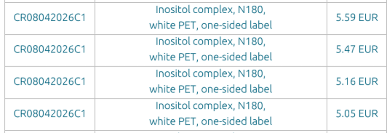
Inositol (capsules) | Per serving (2 capsules):
Комментарии: 1000мг инозитола выбрали как оптимальнузю дозировку на две капсулы. На капсулу выходит 500мг. Если хотите больше, нам нужно будет делать тесты. | Myo-inositol 1000mg | N180, white PET, On-side label |  |  | 5.59 | 5.47 | 5.16 | 5.05
 | Folic acid (from methylfolate) 400mcg |  | Этикетка peel off label
 |  |  | Итого

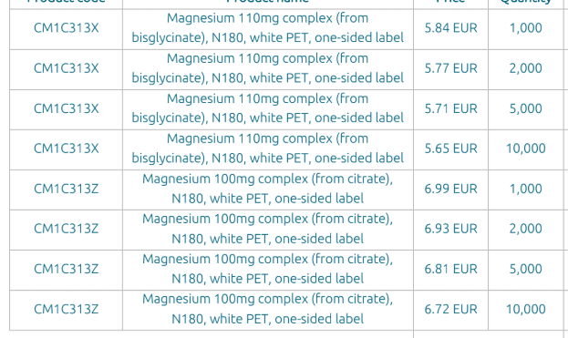
Magnesium B6 (capsules) | Per 1 capsule: Magnesium 200mg (Bisglycinate and oxide blend) Vitamin B6 1,5mg | On-side label- N120 |  | 8-9 weeks first | 4.12 | 4.07 | 3.97 | 3.93
 |  | On-side label - N180 |  | after 6-8 weeks | 4.98 | 4.92 | 4.79 | 4.74
 | Per 1 capsule: Magnesium 110mg (from bisglycinate) Vitamin B6 1,5mg | On-side label - N120 |  | 8-9 weeks first | 4.71 | 4.65 | 4.58 | 4.53
 |  | On-side label- N180 |  | after 6-8 weeks | 5.84 | 5.77 | 5.71 | 5.65

Magnesium 100mg complex (from citrate) | Per serving (3 capsules):
 | Magnesium (from magnesium citrate) 300mg | 100mg complex (from citrate), N180, white PET, On-side label |  | 8-9 weeks first | 6.99 | 6.93 | 6.81 | 6.72
 | Vitamin B6 4,5 mg |  |  | after 6-8 weeks

Magnesium 110mg complex (from bisglycinate) | Per serving (3 capsules): | 110mg complex (from bisglycinate), N180, white PET, On-side label |  | 8-9 weeks first | 5.84 | 5.77 | 5.71 | 5.65
 | Magnesium 330mg (from bisglycinate) |  |  | after 6-8 weeks
 | Vitamin B6 4,5 mg
 |  |  | Этикетка peel off label
 |  |  | Итого

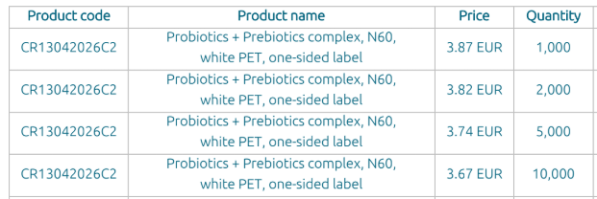

Probioful (capsules) | Per serving (1 capsule): | N60, white PET, On-side label |  | 8-9 weeks first | 3.87 | 3.82 | 3.74 | 3.67
Probiotics + Prebiotics | Bifidobacterium Bifidum 2 Billion CFU |  |  | after 6-8 weeks
 | Lactobacillus Acidophilus 3 Billion CFU |  | Этикетка peel off label
 | Lactobacillus Rhamnosus 2 Billion CFU |  | Итого
 | Lactobacillus Salivarius 1 Billion CFU
 | Streptococcus Thermophilus 2 Billion CFU
 | inulin prebiotic (from chicory root) 100mg

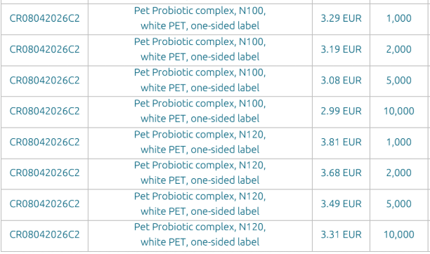
Pet Probiotic complex | Per serving (1 capsules):
Комментарии: комплекс похожий на ваш референс | Streptococcus thermophilus 0,33 billion CFU | N100, white PET, On-side label |  | 8-9 weeks first | 3.29 | 3.19 | 3.08 | 2.99
 | Bifidobacterium bifidum 0,33 billion CFU | N120, white PET, On-side label |  | after 6-8 weeks | 3.81 | 3.68 | 3.49 | 3.31
 | Lactobacillus Acidophilus 0,33 Billion CFU |  | Этикетка peel off label
 |  |  | Итого
 | Total: 1 billion CFU

